Overview
Our Employee Engagement Surveys provide employees with the opportunity to share their ideas, suggestions and concerns regarding what matters most in creating a positive employee experience. The survey data provides an opportunity for our teams to interpret the results and strategize ways to improve individual and team engagement. From these strategies, an engagement plan can be created to drive increased engagement of the group. These plans will be formally reviewed each year upon the receipt of new survey results, and should be monitored throughout the year to ensure we remain on track with achieving planned activities or making appropriate adjustments as things evolve.
The focus will be on 5-10 priority engagement areas where you have the potential to influence real change between surveys within the next two years.

Principles of Team Action Planning Between Surveys
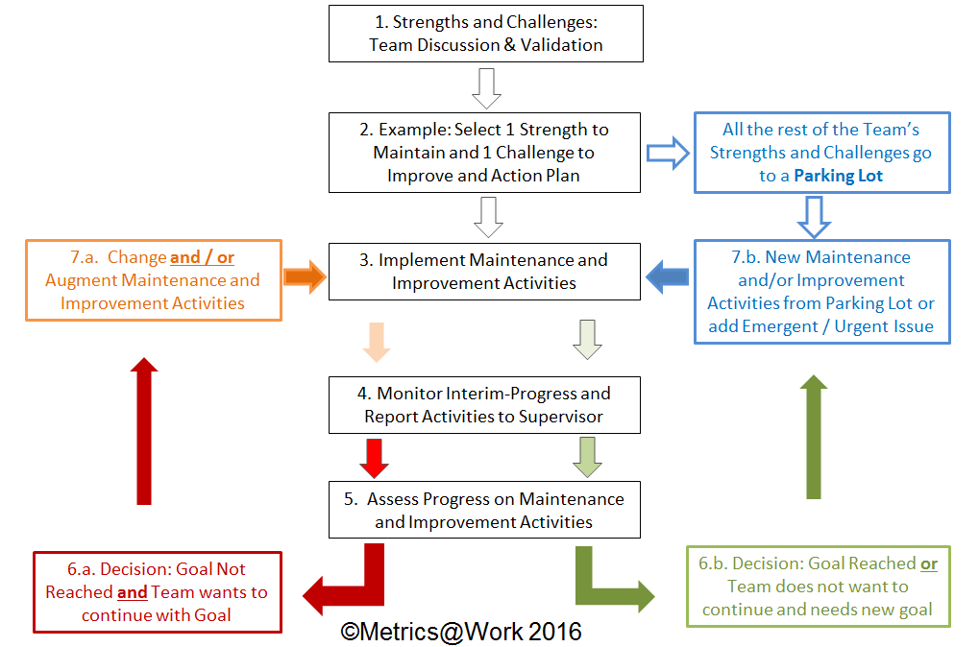
 | Department | Date completed | Date Last Updated

 |  | By: | By:

